Sheet1
Product Name | Root Category | Second Category | SKU | Description | Photo/s | Meta Keywords | Art Supplies
 | ART SUPPLIES | Beads | BDS001 |  | 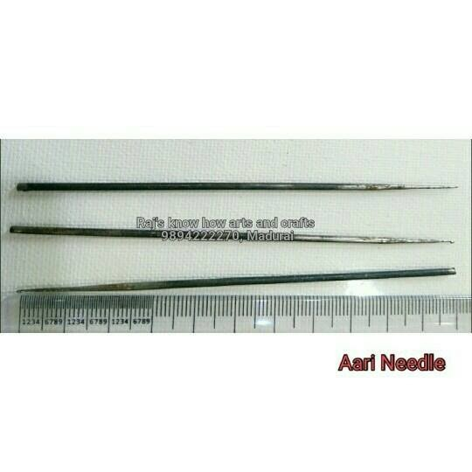 |  | Craft Supplies
 |  |  |  |  |  |  | Jewelery Materials

